Sheet1
ANDHRA PRADESH STATE COUNCIL OF HIGHER EDUCATION

Aadhaar based Biometric Attendance System

Employee Information Form - CSE

S.No | Aadhaar Number | Employee Name | Organisation Name | Designation | Organisation Employee ID | GPF Number | Department | Office Location | DOB (dd-mm-yyyy) | Gender | Communication Address | District | State | Mobile No | E-Mail Address | Passport Size Colour Photograph
1 | 803435244973 | Mr. SURESH CHANDRA SATAPATHY | ANITS | Professor & HOD |  |  | CSE | Sangivalasa, Visakhapatnam | 09/05/1964 | Male | ANITS, Dept. of CSE, Sangivalasa, Bheemunipatnam, Visakhapatnam - 531162 | VISAKHAPATNAM | ANDHRAPRADESH | 9000249712 | 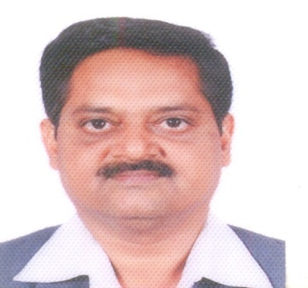 hod_cse@anits.edu.in
2 | 813658736738 | Mrs. R.SIVARANJANI | ANITS | Professor |  | AP/31642/00357 | CSE | Sangivalasa, Visakhapatnam | 11/02/1979 | Female | D/O R.YERRAPPA, H-NO 1-121, RAMPURAM(VILLAGE) PENDURTHI(MANDAL),VISAKHAPATNAM (DIST)-531173 | VISAKHAPATNAM | ANDHRAPRADESH | 9642022170 | sivaranjani.cse@anits.edu.in | 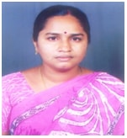
3 | 505156456390 | Mr. SAJJA RATAN KUMAR | ANITS | Associate Professor |  | GRVSP00409950000000338 | CSE | Sangivalasa, Visakhapatnam | 15/06/1982 | Male | C/o T SURYA RAO,FLAT NO:S3,2ND FLOOR, PANCHAJANYA APPARTMENT, SRI RAM NAGAR,KOTHAVALASA-535183 | VISAKHAPATNAM | ANDHRA PRADESH | 9052492777 | sratankumar.cse@anits.edu.in | 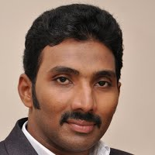
4 | 958385839006 | Dr. TUSAR KANTI MISHRA | ANITS | Associate Professor |  |  | CSE | Sangivalasa, Visakhapatnam | 10/07/1982 | Male | Dept. CSE, ANITS, Sangivalasa, Visakhapatnam, AP | Visakhapatnam | Andhra Pradesh | 9133480497 | tusar.cse@anits.edu.in | 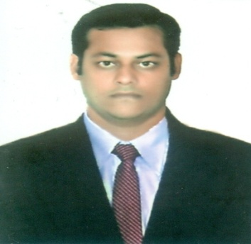
5 | 734287938405 | Mr. BAGADI RAVI KIRAN | ANITS | Sr. Assistant Professor |  |  | CSE | Sangivalasa, Visakhapatnam | 21/08/1982 | Male | Sr. Asst. Prof., Dept. of CSE, ANITS, Visakhapatnam | Visakhapatnam | Andhra Pradesh | 9177621760 | brk2007@gmail.com | 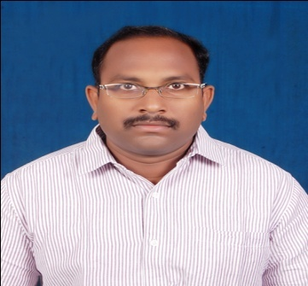
6 | 750016174522 | Mr. JAGADISH GURRALA | ANITS | Assistant Professor |  | 0040995/000/0000256 | CSE | Sangivalasa, Visakhapatnam | 07/10/1981 | Male | Dept. of CSE, Anil Neerukonda Institute of Technology and Sciences,Sangivalasa, Tagarapuvalasa, Visakhapatnam-531162 | Visakhapatnam | Andhra Pradesh | 9441345914 | gjagadish.cse@anits.edu.in | 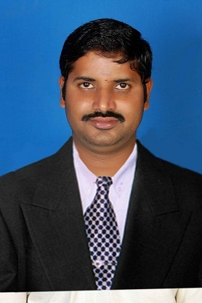
7 | 270332205817 | Mrs. TANGILLA KRANTHI | ANITS | Assistant Professor |  |  | CSE | Sangivalasa, Visakhapatnam | 27/05/1986 | Female | Plot No. 298, Tirumala Nagar, Vadlapudi, Kanithi Colony, Visakhapatnam | Visakhapatnam | Andhra Pradesh | 7032490979 | kranti.it16@gmail.com | 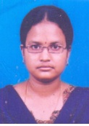
8 | 489489312365 | Mr. SRINIVASA RAJU VUPPALAPATI | ANITS | Assistant Professor |  |  | CSE | Sangivalasa, Visakhapatnam | 15/05/1975 | Male | 55-8-35/8, MMTC COLONY, SEETHAMMADHARA, VISAKHAPATNAM | VISAKHAPATNAM | ANDHRA PRADESH | 7032795678 | vsraju.cse@anits.edu.in | 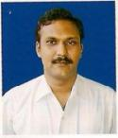
9 | 733180475571 | Mr. MANDAVA KRANTHI KIRAN | ANITS | Assistant Professor |  | GR/VSP/0040995/000/0000425 | CSE | Sangivalasa, Visakhapatnam | 06/08/1985 | Male | Department of CSE, ANITS, Sanghivalasa, Bheemunipatnam | Visakhapatnam | Andhra Pradesh | 9666917172 | mkranthikiran.cse@anits.edu.in | 
10 | 525468362087 | Mrs. S A BHAVANI | ANITS | Assistant Professor |  |  | CSE | Sangivalasa, Visakhapatnam | 01/07/1982 | Female | Dr. No. 6-167/A, Krishnarayapuram, Sujathanagar (Post), Visakhapatnam - 530051 | Visakhapatnam | Andhra Pradesh | 9441969454, 9652662063 | sabhavani.cse@anits.edu.in | 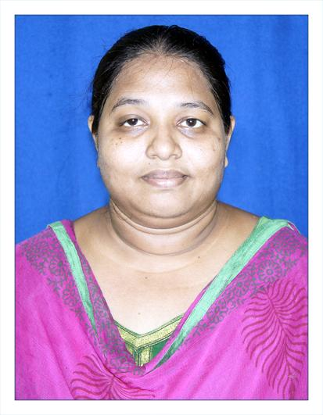
11 | 729982884947 | Mrs. A N R LATHA | ANITS | Assistant Professor |  |  | CSE | Sangivalasa, Visakhapatnam | 18/04/1985 | Female | Dr. No. 55-1-41/3, Jaganadha Raju Nagar, New Venkojipalem, Ishaka Thota Jn., Visakhapatnam - 530022 | Visakhapatnam | Andhra Pradesh | 9951099517 | latha.cse@anits.edu.in | 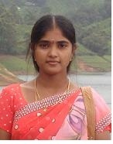
12 | 319885564874 | Mrs. G.PRANITHA | ANITS | Assistant Professor |  |  | CSE | Sangivalasa, Visakhapatnam | 05/08/1987 | Female | sangivalasa | visakhapatnam | Andhra Pradesh | 9177755811 | pranitha.cse@anits.edu.in | 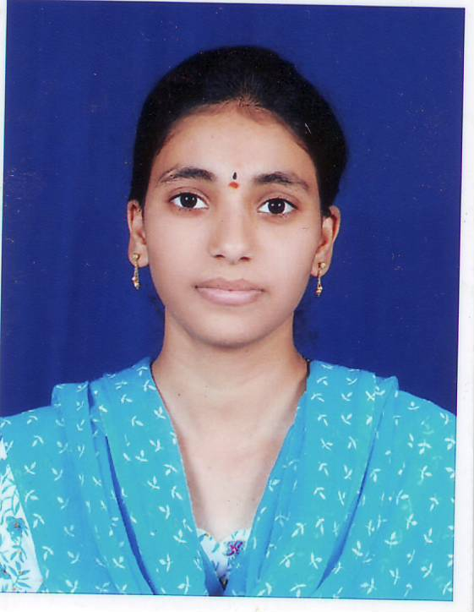
13 | 760768963210 | Mrs.DEEPTHI ANGARA | ANITS | Assistant Professor |  |  | CSE | Sangivalasa, Visakhapatnam | 05/11/1986 | Female | #39-8-38/2,Sri Chakra Nilayam, Sector-8,Muralinagar | Visakhapatnam | Andhra Pradesh | 9885948962 | adeepthi.cse@anits.edu.in | 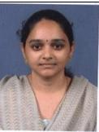
14 | 497892968150 | Mrs. G.V.GAYATHRI | ANITS | Assistant Professor |  |  | CSE | Sangivalasa, Visakhapatnam | 20/05/1987 | Female | D/o G.Babu Rao, Dr No : 6-55-109, Swamy Nivas, Santhapeta, Tagarapuvalasa, Pin 531162 | Visakhapatnam | Andhra Pradesh | 9908216500 | gvgayathri.cse@anits.edu.in | 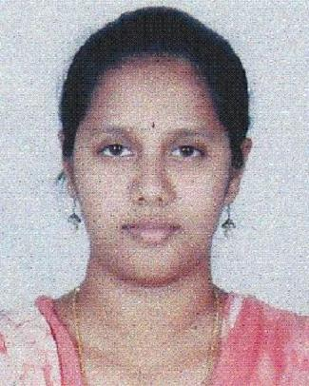
15 | 282727239727 | Mr. SOUMYA RANJAN MISHRA | ANITS | Assistant Professor |  |  | CSE | Sangivalasa, Visakhapatnam | 23/07/1986 | Male | B3 ,maruti Paradise,PM Palem | Vishakhapatnam | Andhra Pradesh | 8096177170 | srmishra.cse@anits.edu.in | 
16 | 778805079412 | Mr. K CHANDRA SEKHAR | ANITS | Assistant Professor |  |  | CSE | Sangivalasa, Visakhapatnam | 04/08/1987 | Male | ANITS, Sangivalasa, Visakhapatnam | Vishakhapatnam | Andhra Pradesh | 9959229690 | kchandrasekhar2007@gmail.com | 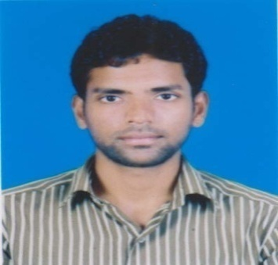
17 | 602302907583 | Mrs.G.GOWRIPUSHPA | ANITS | Assistant Professor |  |  | CSE | Sangivalasa, Visakhapatnam | 05/12/1987 | Female | D.NO:26-8/a-7/a,Velampeta, R.R.M.ROY Road,Vsp. | Visakhapatnam | Andhrapradesh | 8519892529 | gowripushpa.cse@anits.edu.in | 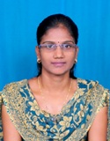
18 | 293246829832 | Mrs. GORLI SANTOSHI | ANITS | Assistant Professor |  |  | CSE | Sangivalasa, Visakhapatnam | 09/05/1987 | Female | 3-176 santi nagar Yendada Vsp-45 | visakhapatnam | andhra pradesh | 8500925079 | gsanthoshi.cse@anits.edu.in | 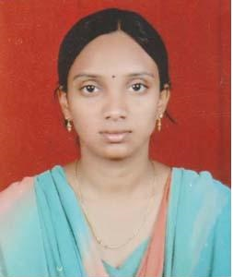
19 | 758985136591 | Ms. SHARMILA RANI JETTI | ANITS | Assistant Professor |  |  | CSE | Sangivalasa, Visakhapatnam | 03/02/1984 | Female | D-NO-10/6/2,NANDHI VEEDHI ,VIZIANAGARAM | VIZIANAGARAM | ANDHRA PRADESH | 8341548582 | sharmila.cse@anits.edu.in | 
20 | 576763366981 | Ms. P DEEPIKA | ANITS | Assistant Professor |  |  | CSE | Sangivalasa, Visakhapatnam | 20/05/1986 | Female | 50-26-19, TPT Colony, Seethammadhara | Visakhapatnam-13 | Andhra Pradesh | 9160862151 | deepika.cse@anits.edu.in | 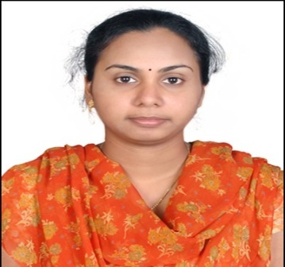
21 | 405823108410 | Mr. P NAGA SRINIVASU | ANITS | Assistant Professor |  |  | CSE | Sangivalasa, Visakhapatnam | 18/02/1990 | Male | Dr. No. 19-103, Ammavari Thota, NUZVID -521201 | KRISHNA | Andhra Pradesh | 9000595535 | parvathanenins@gmail.com | 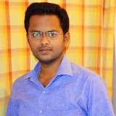
22 | 586604148290 | Mr. CHINTA SESHADRI RAO | ANITS | Assistant Professor |  |  | CSE | Sangivalasa, Visakhapatnam | 15/09/1983 | Male | Dr. No. 7-150/1, Chanukya Nagar, Chinnamushidiwada, Pendurthi, Visakhapatnam - 531173 | Visakhapatnam | Andhra Pradesh | 9492340008 | seshadri.rao.cse@anits.edu.in | 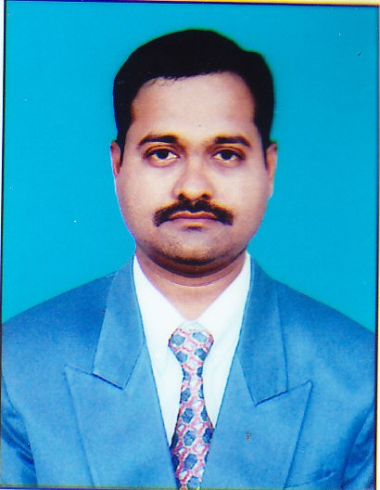
23 | 891093000272 | Mr. K SURESH | ANITS | Assistant Professor |  |  | CSE | Sangivalasa, Visakhapatnam | 06/03/1985 | Male | Dr. No. 54-10-2/1, Isukatotha, Dr. ngr Lotus Plaza, Visakhapatnam | Visakhapatnam | Andhra Pradesh | 9705243777 | 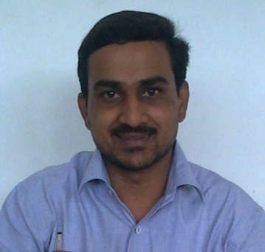 kurumallasuresh@gmail.com
24 | 473302701007 | Mrs. PRITEE PARWEKAR | ANITS | Assistant Professor |  |  | CSE | Sangivalasa, Visakhapatnam | 06/01/1978 | Female | C-5, Nirman Park, Opp. OF SKODA SHOW ROOM, Maripalem, Visakhapatnam - 530008 | Visakhapatnam | Andhra Pradesh | 7702335901 | pritee.cse@anits.edu.in pritee2000@gmail.com | 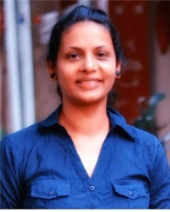
25 | 795268994096 | Ms.G GAYATHRI | ANITS | Assistant Professor |  |  | CSE | Sangivalasa, Visakhapatnam | 17/10/1991 | Female | Geetha Ice plant , Badangi,Vizianagaram | Vizianagaram | Andrapradesh | 7416500759 | ggayatri.cse@anits.edu.in | 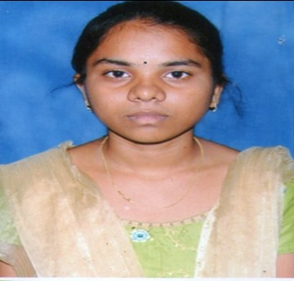
26 | 879669747303 | Mr. K ASHESH | ANITS | Assistant Professor |  |  | CSE | Sangivalasa, Visakhapatnam | 29/08/1988 | Male | Dr. No. 19-1-141, Main Road, Chintada (Vill & Post), Srikakulam - 532185 | Srikakulam | Andrapradesh | 8500206060 | ashesh.cse@anits.edu.in | 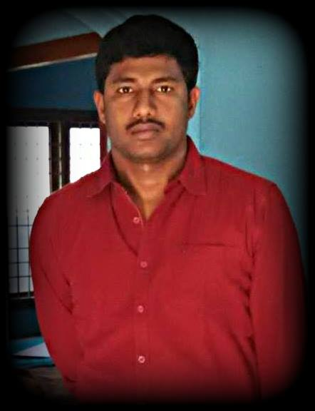
27 | 373576814287 | Mr. VINOD BABU P | ANITS | Assistant Professor |  |  | CSE | Sangivalasa, Visakhapatnam | 04/04/1985 | Male | Dr. No. 53-16-105/B, Maddilapalem, Visakhapatnam - 530013 | Visakhapatnam | Andrapradesh | 9949868050 | vinodbabusir@gmail.com | 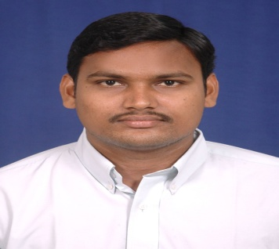
28 | 648006922529 | Ms. KEERTHI LINGAM | ANITS | Assistant Professor |  |  | CSE | Sangivalasa, Visakhapatnam | 01/09/1982 | Female | SRUTI, 9-19-3; CBM Compound; Visakhapatnam - 03 | Visakhapatnam | Andhra Pradesh | 9985488334 | keerthi.cse@anits.edu.in | 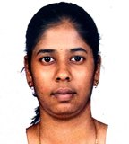
29 | 228302365135 | Ms. D.ASHWANI | ANITS | Assistant Professor |  |  | CSE | Sangivalasa, Visakhapatnam | 09/06/1991 | Female | 1-71/15 , ganeshnagar ,chinnamushidivada, pendurthi | vizag | andhrapradesh | 8978134047 | 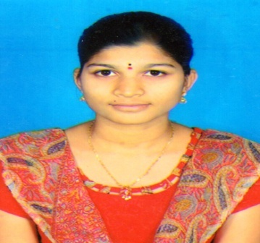 ashwani.cse@anits.edu.in
30 | 543143582251 | Mrs. S.V.S.S.LAKSHMI | ANITS | Assistant Professor |  | GR/VSP/0040995/000/0000433 | CSE | Sangivalasa, Visakhapatnam | 28/08/1983 | Female | 49-48-26 ,NAKKAVANIPALEM , VISAKHAPATNAM | VISAKHAPATNAM | ANDHRA PRADESH | 9505855845 | lakshmi.cse@anits.edu.in | 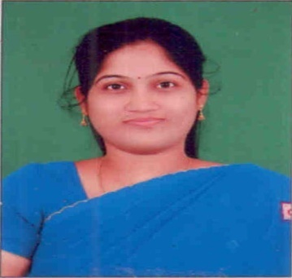
31 | 807288527538 | Mrs. V.USHA BALA | ANITS | Assistant Professor |  |  | CSE | Sangivalasa, Visakhapatnam | 08/11/2016 | Female | 605, RADHA BEACH RESIDENCY, R.K.BEACH ROAD, VISAKHAPATNAM-530002 | VISAKHAPATNAM | ANDHRA PRADESH | 9985121756 | ushabala.cse@anits.edu.in | 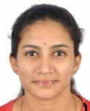
32 | 984991930734 | Mr. S.JOSHUA JOHNSON | ANITS | Assistant Professor |  |  | CSE | Sangivalasa, Visakhapatnam | 22/07/1991 | Male | DNO:20-7-3/11, DASARIGEDDA ROAD, J.C.P TOWER CHURCH,NEAR CAMBRIDGE CONVENT,GAVARAPALEM, ANAKAPALLI, PIN:531002 | VISAKHAPATNAM | ANDHRA PRADESH | 9573382650 | 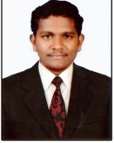 joshua.cse@anits.edu.in
33 | 489053017898 | Ms. T.ANITHA | ANITS | Assistant Professor |  |  | CSE | Sangivalasa, Visakhapatnam | 05/05/1991 | Female | D.NO 8-60, BC COLONY ,SBH BANK OPPOSITE LANE,SUJATHA NAGAR POST,CHINNAMUSHIDIWADA,PENDURTHI,VISAKHAPATNAM-530051 | VISAKHAPATNAM | ANDHRA PRADESH | 7799123311 | anitha.cse@anits.edu.in | 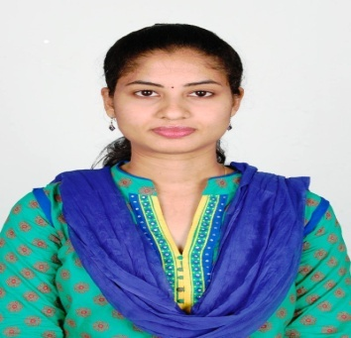
34 | 978087724440 | Ms. ANUSHA VANGALA | ANITS | Assistant Professor |  |  | CSE | Sangivalasa, Visakhapatnam | 12/12/1990 | Female | D.NO:9-61/2,FLAT NO:207,B-BLOCK,VASANTH VIHART APTS,KOMMADI JN,GVP COLLEGE ROAD,MADHURWADA,VISHAKHAPATNAM-530048. | VISHAKHAPATNAM | ANDHRA PRADESH | 8985465603 | anusha.cse@anits.edu.in | 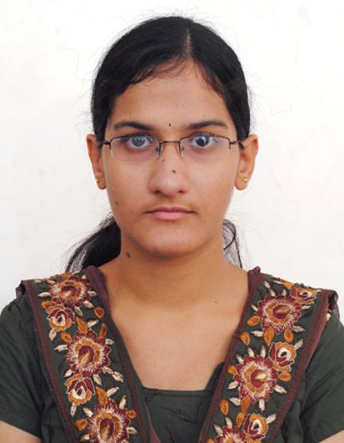
35 | 920674305268 | Mr. G V ESWARA RAO | ANITS | Assistant Professor |  |  | CSE | Sangivalasa, Visakhapatnam | 06/08/1988 | Male | DNO 4-61-11, PEDDA WALTAIR, BESIDE SHIVALAYAM | VISAKHAPATNAM | ANDHRAPRADESH | 8332961961 | eshwar.cse@anits.edu.in | 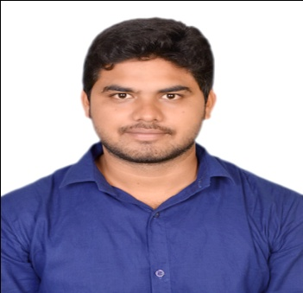
 | 421520318380 | Dr. J Hyma | ANITS | Assoc. Professor |  |  | CSE | Sangivalasa, Visakhapatnam | 10/04/1983 | Female |  |  |  | 9490708388 | eshwar.cse@anits.edu.in
36 | 779406726587 | Mr. SHAIK SHAHJAHAN | ANITS | Programmer |  |  | CSE | Sangivalasa, Visakhapatnam | 02/08/1970 | Male | Dr. No. 48-1-18, Srinagar, Reddy hospital Road, Visakhapatnam - 530016 | VISAKHAPATNAM | ANDHRAPRADESH | 9440262746 | shaj786786@yahoo.com | 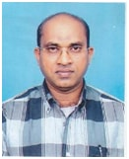
37 | 728419783955 | Mrs. N KANAKA DURGA | ANITS | Programmer |  |  | CSE | Sangivalasa, Visakhapatnam | 30/08/1978 | Female | W/o Ch. Krishna Mohan, 29-19-7/2, Gollala Palem, Dabagardens, Visakhapatnam | Visakhapatnam | Andhra Pradesh | 8374318183 | 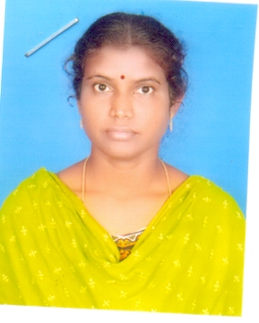 durgachintala15@gmail.com
38 | 632488681858 | Mrs. BARLA SIVA JYOTHI | ANITS | Programmer |  |  | CSE | Sangivalasa, Visakhapatnam | 08/03/1986 | Female | Dr No. 13-7-147, Golla Veedhi, Bheemunipatnam, Visakhapatnam - 531163 | Visakhapatnam | Andhra Pradesh | 9032992384 | sivajyothibarla@gmail.com | 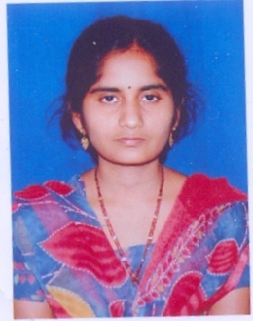
39 | 320447502340 | Mr. SAINATH VITTAL.P | ANITS | Programmer |  |  | CSE | Sangivalasa, Visakhapatnam | 17/07/1985 | Male | Dr No.13-8-21, Mothilal Street, Gollaveedhi, Bheemunipatnam, Visakhapatnam - 531163 | Visakhapatnam | Andhra Pradesh | 9885090485 | vittalyadav1984@gmail.com | 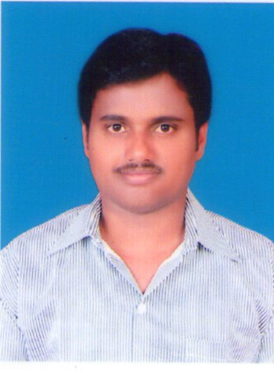
40 | 728390496338 | Mrs. K NIVEDITA | ANITS | Programmer |  |  | CSE | Sangivalasa, Visakhapatnam | 16/09/1977 | Female | # B-303, Vasanth vihar appartments, Prasanth Nagar, Kommadi Junction, Madhurawada, Visakhapatnam. Pin: 530048 | Visakhapatnam | Andhra Pradesh | 9052991109, 8500065540 | knivedita.cse@anits.edu.in | 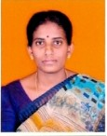
41 | 792932643682 | Mrs. M VIJAYA LAKSHMI | ANITS | Programmer |  |  | CSE | Sangivalasa, Visakhapatnam | 14/08/1991 | Female | V Vishwanadh, W/o V Vijaya Lakshmi, Dr No. 7-42-163/5, TeachersColony, Sabbivari peta, Sangivalasa Village & Post, Visakhapatnam. Pin: 531162 | Visakhapatnam | Andhra Pradesh | 8885939378 | vijaya.manyam@gmail.com | 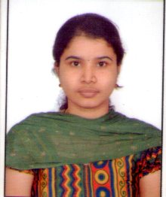
42 | 467406803295 | Mr. SRINIVASA RAO BONKA | ANITS | Office Assistant |  |  | CSE | Sangivalasa, Visakhapatnam | 26/07/1983 | Male | Dr No. 3-60-224, Kothapeta, Near Vani School, Chittivalasa, Visakhapatnam Pin: 531162 | Visakhapatnam | Andhra Pradesh | 9908719500 | bsrao.office@anits.edu.in | 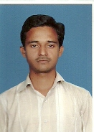
43 | 983254241724 | Mr. N VENKATA RAMANA | ANITS | Attender |  |  | CSE | Sangivalasa, Visakhapatnam | 01/01/1979 | Male | Dr. No. 9-40-182, Nammivanipeta, Sangivalasa, Bheemunipatnam, Visakhapatanam -531162 | Visakhapatnam | Andhra Pradesh | 9701518190 |  | 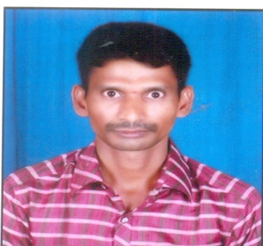
44 | 322837335730 | Mr. BOTTA KIRAN | ANITS | Attender |  |  | CSE | Sangivalasa, Visakhapatnam | 29/05/1996 | Male | Dr. No. 9-4-03, Nammivanipeta, Sangivalasa, Bheemunipatnam, Visakhapatanam -531162 | Visakhapatnam | Andhra Pradesh | 8297221922 | 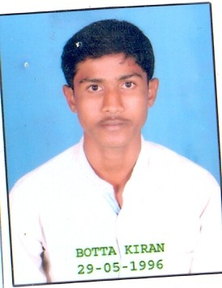 bottakiran1997@gmail.com
45 | 393715759043 | Mrs. YERRAMSETTI VENKATA LAXMI | ANITS | Sweeper |  |  |  | Sangivalasa, Visakhapatnam | 01/01/1980 | Female | Dr. No. 8-63-249, Santapeta, near ambedkar School, Chittivalasa, Visakhapatnam - 531162 | Visakhapatnam | Andhra Pradesh | 8008834978 |  | 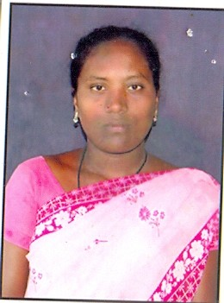
46 | 302016855791 | Mrs. YERRAMSETTI VENKATA APPAYAMMA | ANITS | Sweeper |  |  |  | Sangivalasa, Visakhapatnam | 01/01/1977 | Female | SC Colony, Mulakuddu (Rural), Chippada, Visakhapatnam - 531162 | Visakhapatnam | Andhra Pradesh | 8501938179 | 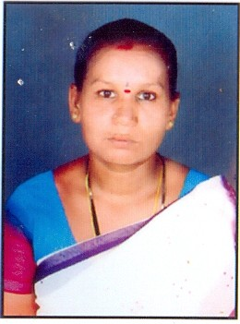
47 | 331467742953 | Mr. YERRAMSETTI VENKATA RAO | ANITS | Sweeper |  |  |  | Sangivalasa, Visakhapatnam | 01/01/1972 | Male | SC Colony, Mulakuddu (Rural), Chippada, Visakhapatnam - 531162 | Visakhapatnam | Andhra Pradesh | 8501938179 | 